Feuil1
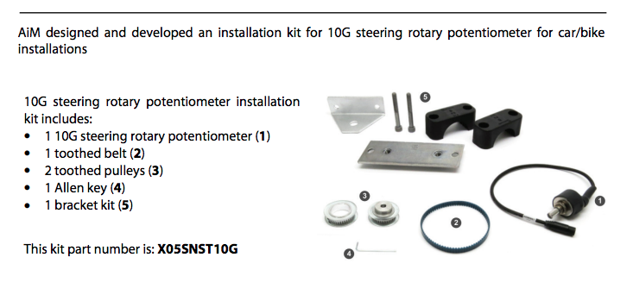
Liste des capteurs |  |  |  |  |  |  |  |  |  |  |  |  | Types de boîtiers
 |  |  |  |  |  |  |  |  |  |  |  |  | Standalone
 |  |  |  |  |  |  |  |  |  |  |  |  | PCB
 | Capteurs critiques |  |  |  |  |  |  |  |  |  |  |  | Drive/moteur

 | Mesure | Type de capteur | Interface | Supply Voltage | Manufacturier | Modèle | Prix | Digikey? | Mouser? | Datasheet | Commentaires | Boîtier
 | Rotation du volant | Potentiomètre | Analogique | Max 42Vdc | KAZ Technologies | Steering Position Sensor for Kaz Steering Rack | 150$US | no | no | https://kaz-technologies.myshopify.com/products/steering-sensor | Pour le steering rack de KAZ | Standalone
 |  | Potentiomètre | Analogique | 4.5? | Aimsports |  |  | https://www.ebay.ca/itm/335121168719?hash=item4e06c7394f:g:ynkAAOSwwUxlr7XH |  | https://www.aimsports.com/download/doc/eng/sensors/Datasheet_CarBikeRotatoryPotentiometerSteering_10G_105_eng.pdf | 10kOhms
 |  | Encodeur | CAN | 9-32 Vdc | Danfoss | SASA Steering sensor | 729.23$CAD | no | no | https://assets.danfoss.com/documents/75887/AI152886482948en-000303.pdf | https://maplelanefarmservice.ca/shop/parts/agco/technology-products/aco-acz0001550/ | Standalone
 |  | Encodeur | Analogique | 4.5-5.5Vdc | CUI Devices | AMT 203-V | 71.25$CAD |  | https://www.mouser.ca/ProductDetail/CUI-Devices/AMT203-V?qs=WyjlAZoYn51vfiQSHOoysQ%3D%3D | https://www.mouser.ca/datasheet/2/670/amt20_v-1775926.pdf |  | Standalone
 | Inclinaison | Gyromètre | J1939 (CAN) |  | Trombetta | J1939 Gyro Inclinometer (99-0550) | 147.99$US | no | no | https://www.murcal.com/Trombetta-99-0550-Inclinometer
 | Accélération | Accéléromètre | CAN |  | PCS | 3-Axis Accelerometer Module | 220$US | no | no | https://www.zerogravityperformance.com/product/3-axis-accelerometer-module/
 | Inclinaison + Accélération | IMU | CAN |  | AEM | AEM V2 Vehicle Dynamics Module | 574.21 | no | no | https://www.limitlessmotorsports.ca/ems-components/282146-aem-vehicle-dynamics-module-v2.html | Accel, gyro + GPS | Standalone
 |  | IMU (chip) | I2C, SPI | 2-3.6V | ST | ASM330LHH | $22.97 | https://www.digikey.ca/en/products/detail/stmicroelectronics/ASM330LHHTR/9998421 | https://www.mouser.ca/ProductDetail/STMicroelectronics/ASM330LHHTR?qs=lc2O%252BfHJPVYgP8P9MzExKQ%3D%3D | https://www.mouser.ca/datasheet/2/389/asm330lhh-1848833.pdf | AEC-Q100 (3 modèles disponibles) | PCB
 | Température des moteurs | Thermocouple | Analogique | N/A | NXP Semiconductors | KTY 81-210 | N/A | N/A | N/A | https://www.nxp.com/docs/en/data-sheet/KTY81_SER.pdf | Intégrés dans EMRAX 188 | Drive/moteur
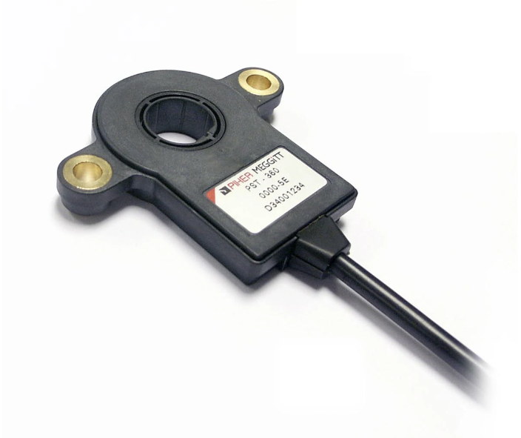
 | Puissance de sortie de l'accumulateur | FSAE Energy Meter | CAN2.0A | GLV | N/A | N/A | N/A | N/A | N/A | N/A | Fourni par la compétition, harnais à acheter | Standalone
 | Température du liquide de refroidissement de l'accumulateur | Coolant Temperature Sensor (CTS) | Analogique |  | Amphenol Thermometrics | WTF083B001 | $11.68 | https://www.digikey.com/en/products/detail/amphenol-advanced-sensors/WTF083B001/10492361 |  | https://media.digikey.com/pdf/Data%20Sheets/Thermometrics%20Global%20Business%20PDFs/AAS-920-695A-Thermometrics-CTS-062017-web%20(4).pdf | Favoriser un sensor qui combine temperature et pression tel que le Ge-2099
 | Température et pression du liquide de refroidissement de l'accumulateur | SENSOR MULT PRESSURE/TEMP | Analogique | 5V, 4.5-5.5V | Amphenol advance sensors | GE-2099 | 94.33 | https://www.digikey.ca/en/products/detail/amphenol-advanced-sensors/GE-2099/16023973 |  | https://www.amphenol-sensors.com/hubfs/AAS-920-792B-Thermometrics-ComboSensor-082621-web.pdf
 | Position de la pédale d'accélérateur | Potentiomètre | Analogique, CAN, CANOPEN, SPI, PWM | 5V, 7-15V | Piher (Amphenol) | PST-360 | $98.85 |  | https://www.mouser.ca/ProductDetail/Amphenol-Piher/PST360G2-2AA-C0002-ERA360-05K?qs=w%2Fv1CP2dgqpVXL4dmjd1tA%3D%3D | https://www.mouser.ca/datasheet/2/18/1/PST_360-1499208.pdf |  | Standalone
 | Position de la pédale de frein | Potentiomètre | Analogique, CAN, CANOPEN, SPI, PWM | 5V, 7-15V | Piher (Amphenol) | PST-360 | $98.85 |  | https://www.mouser.ca/ProductDetail/Amphenol-Piher/PST360G2-2AA-C0002-ERA360-05K?qs=w%2Fv1CP2dgqpVXL4dmjd1tA%3D%3D | https://www.mouser.ca/datasheet/2/18/1/PST_360-1499208.pdf |  | Standalone
 | Déplacement de la suspension | Potentiomètre (shock) | Analogique |  | The sensor connection | Shock absorber suspension travel sensor - potentiometer | 180$ (0-3in de travel)
 | Pression freins | Pression sensor | Analogique | 4.75V à 5.25V | Bosch | PSS-140 | 179$ | https://www.motorsportselectronics.com/products/bosch-140-bar-pressure-sensor?variant=39347657605302 |  | https://www.bosch-motorsport.com/content/downloads/Raceparts/Resources/pdf/Data%20Sheet_351937803_Pressure_Sensor_Fluid_PSS-140/260/420/600.pdf | Entre 1500 et 2000psi (à confirmer avec dynamique)

